Sheet1
Name of Educator | Ayushman Dubey
Project title | Bike Sharing Demand Prediction
Tasks listed in your Educator's template | Objectives listed in your educator's template | Outcomes | Screenshots of outputs
1. Develop a functional bike-sharing demand prediction model | Students will learn basics of Machine Learning | Participants will gain hands-on experience in building a machine learning model | 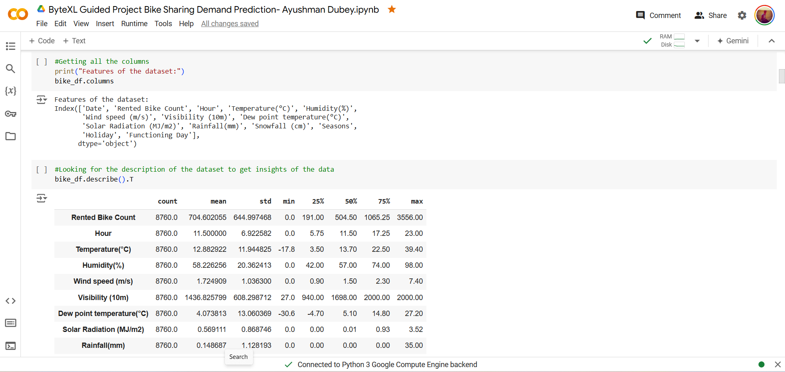
2. Analyze the data | Students will analyze and prepare data for evaluation | Participants will get a clean data | 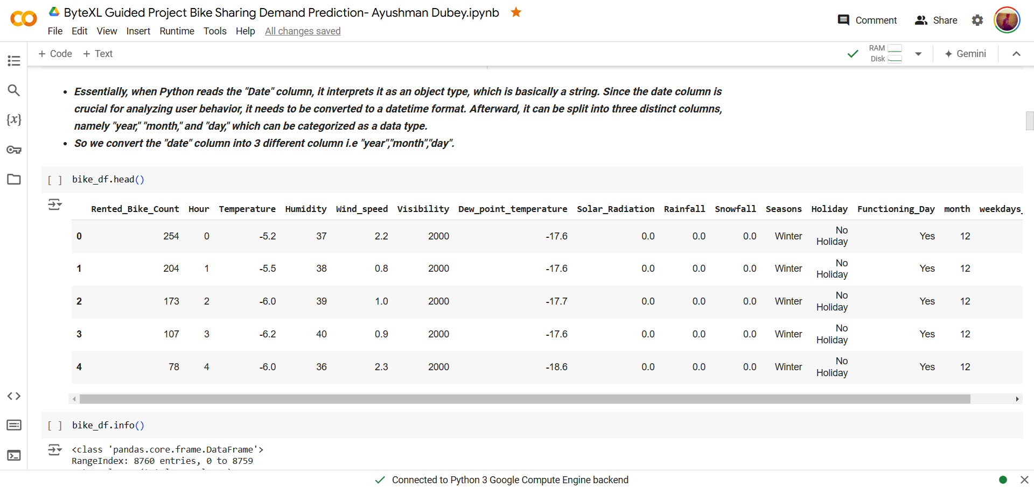
3. Test the data | Students will test the data set on different ML models | Comparison of different accuracies of models | 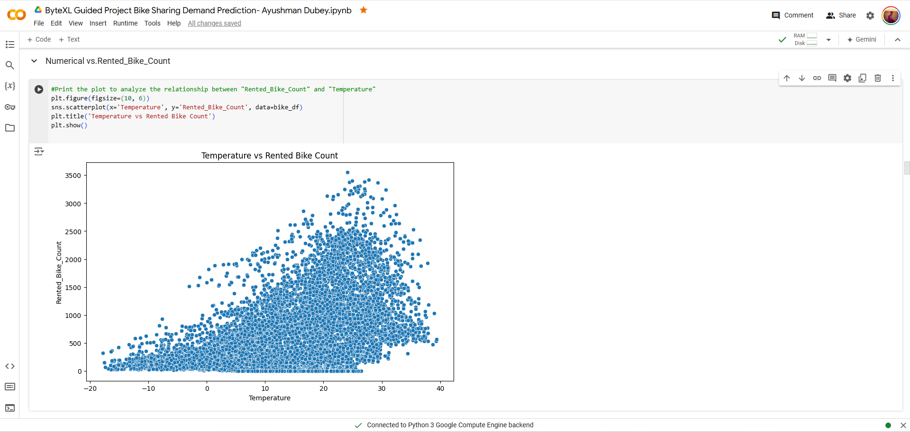
4. Preparation of Result and conclusion | Choosing best model accuracy | Understanding of best model. | 